Sheet1
Sr No. | MODEL NAME | Part Code | MODEL | PHOTOS | Quantity | Colour 1 | Colour 2 | MRP | Selling | Selling without GST | Distributor Price w/o GST - 35% Margin
1 | Helicopter | J716AV01C02 | MJ716 |  | 200 | Blue | Green | 25,000 | 20,000 | 16,949 | 11,017
3 | Batmobile | MJ70AV01C04 | MJ6508 | 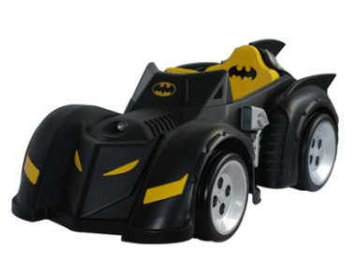 | 106 | Black |  | 23,000 | 18,000 | 15,254 | 9,915
4 | Fire Truck | MJ80AV01C03 | MJ8026 | 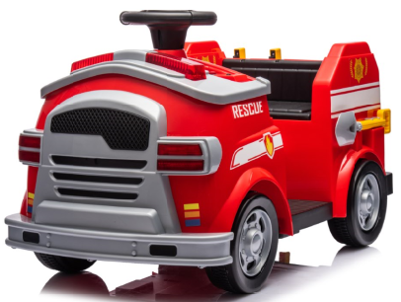 | 300 | Red |  | 20,000 | 15,000 | 12,712 | 8,263
8 | Mercedes AMG GLC 63S Coupe | S568AV01C01 | QLS-5688 | 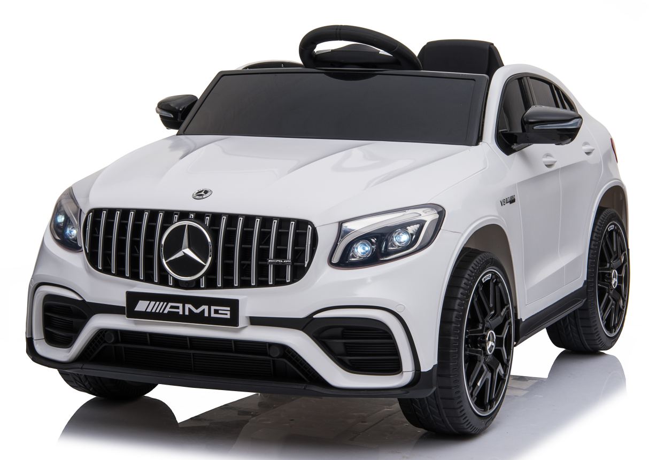 | 122 | White | Blue | 27,000 | 22,000 | 18,644 | 12,119
9 | Vespa | A880AV01C02 | A8820 12V VESPA Licensed Motorycle | 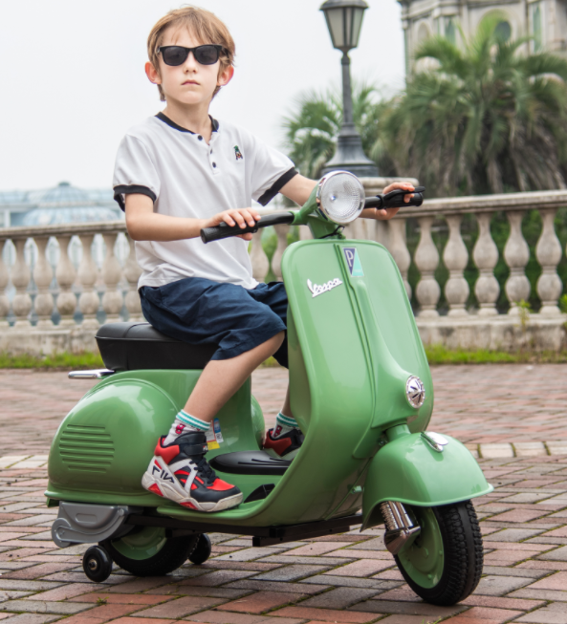 | 164 | Green | Blue | 30,000 | 25,000 | 21,186 | 13,771
10 | Mercedes Benz GT4 AMG | SX19AV01C04 | SX1918 Mercedes Benz GT4 AMG | 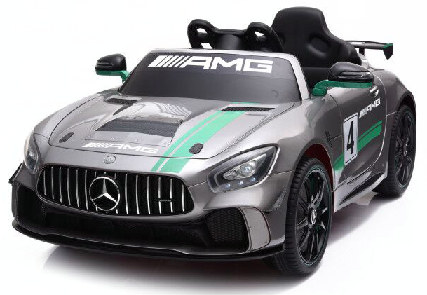 | 184 | Silver | Black | 27,000 | 25,000 | 21,186 | 13,771
14 | Excavator | X626AV01C28 | XMX626b |  | 224 | Yellow |  | 35,000 | 30,000 | 25,424 | 16,525
19 | Bumper Car | JQ55AB01C15 | JQ6055 |  | 122 | Red | Blue | 17,000 | 12,000 | 10,169 | 6,610
 |  |  |  |  | 1422

